objects
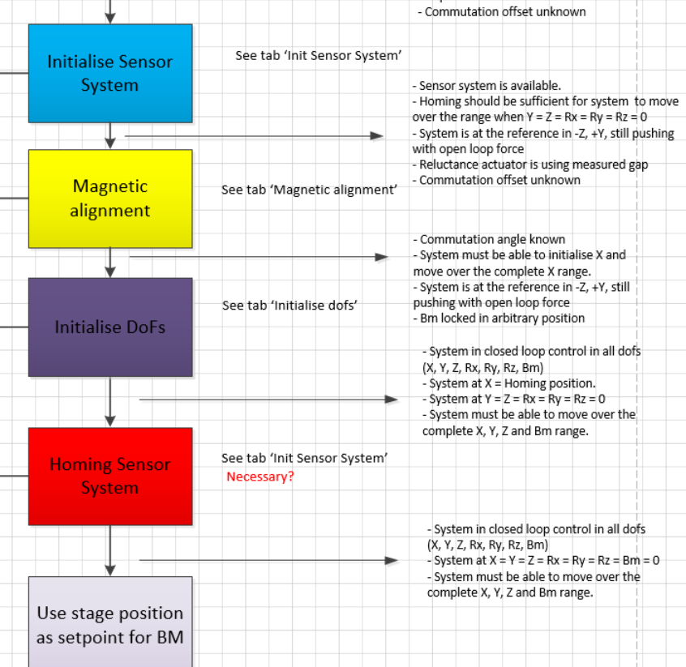
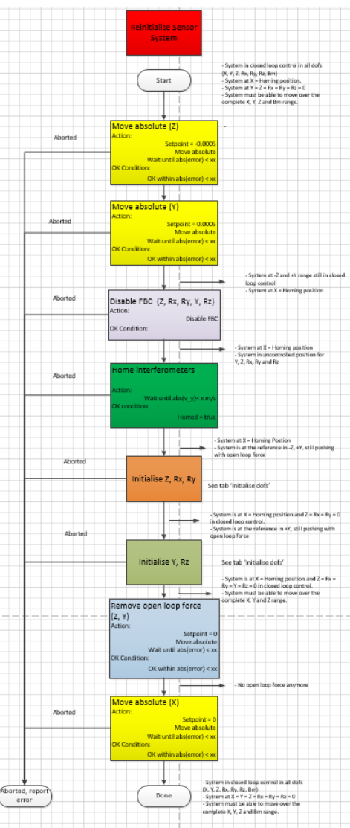
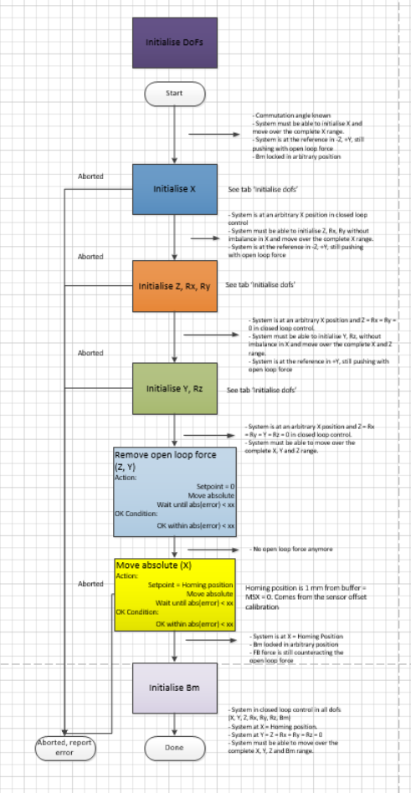
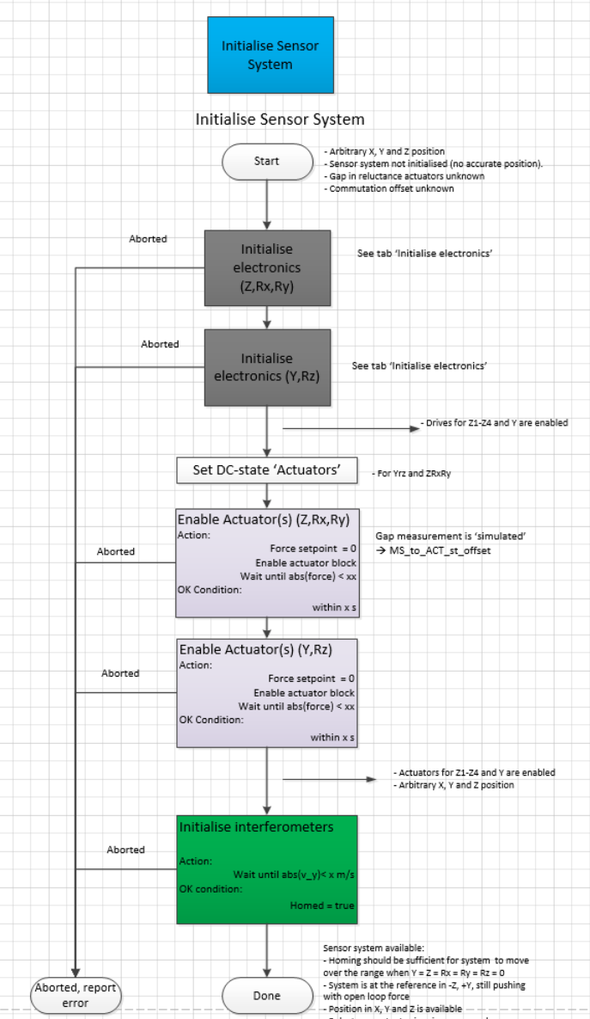
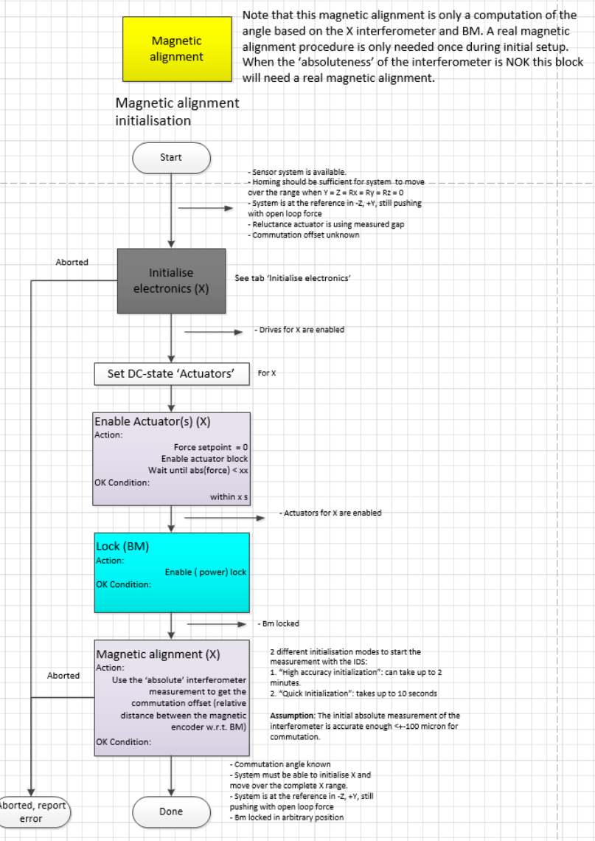
Object ID | Object name | Object description | Object type3
OBJ-0001 | vSYS |  | functional element
OBJ-0002 | vSUBSYS-01 |  | functional element
OBJ-0003 | vSUBSYS-02 |  | functional element
OBJ-0004 | vSUBSYS-03 |  | functional element
OBJ-0005 | vSUBSYS-04 |  | functional element
OBJ-0006 | vSUBSYS-05 |  | functional element
OBJ-0007 | vSUBSYS-06 |  | functional element
OBJ-0008 | vSUBSYS-07 |  | functional element
OBJ-0009 | vSUBSYS-08 |  | functional element
OBJ-0011 | vFMOD-01 |  | functional element
OBJ-0012 | vFMOD-02 |  | functional element
OBJ-0013 | vPSYS |  | physical element
OBJ-0014 | vPM-01 |  | physical element
OBJ-0015 | vPM-02 |  | physical element
OBJ-0016 | vPM-03 |  | physical element
OBJ-0017 | vPM-04 |  | physical element
OBJ-0018 | vPM-05 |  | physical element
OBJ-0019 | vPM-06 |  | physical element
OBJ-0020 | vPM-07 |  | physical element
OBJ-0021 | vPM-08 |  | physical element
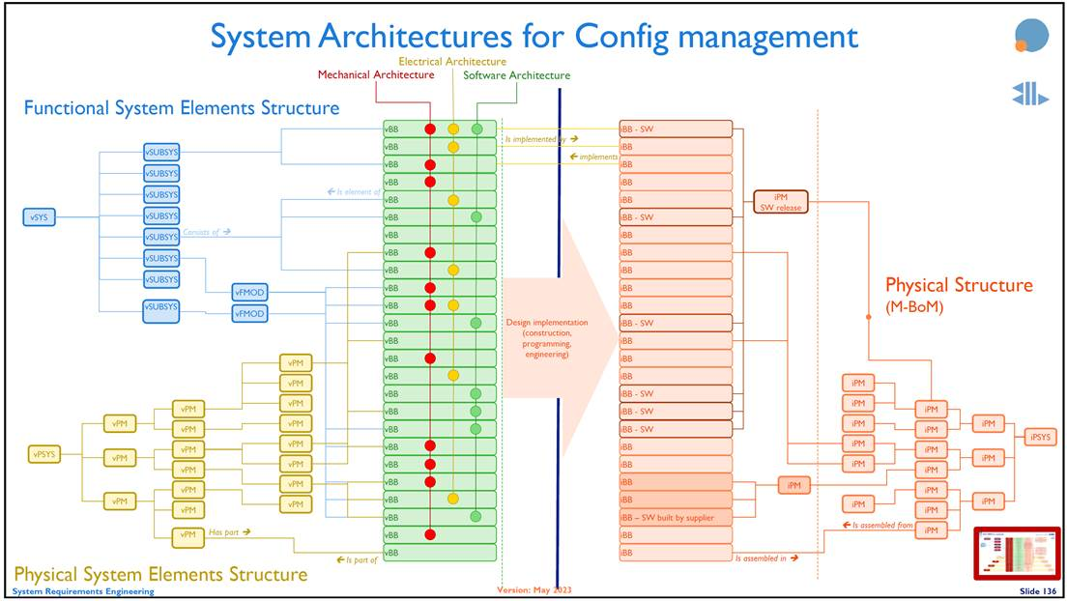
OBJ-0022 | vPM-09 |  | physical element
OBJ-0023 | vPM-10 |  | physical element
OBJ-0024 | vPM-11 |  | physical element
OBJ-0025 | vPM-12 |  | physical element
OBJ-0026 | vPM-13 |  | physical element
OBJ-0027 | vPM-14 |  | physical element
OBJ-0028 | vPM-15 |  | physical element
OBJ-0029 | vPM-16 |  | physical element
OBJ-0030 | vPM-17 |  | physical element
OBJ-0031 | vPM-18 |  | physical element
OBJ-0032 | vBB-01 |  | mech building block
OBJ-0033 | vBB-02 |  | elec building block
OBJ-0034 | vBB-03 |  | building block
OBJ-0035 | vBB-04 |  | building block
OBJ-0036 | vBB-05 |  | building block
OBJ-0037 | vBB-06 |  | sw building block
OBJ-0038 | vBB-07 |  | building block
OBJ-0039 | vBB-08 |  | building block
OBJ-0040 | vBB-09 |  | building block
OBJ-0041 | vBB-10 |  | building block
OBJ-0042 | vBB-11 |  | building block
OBJ-0043 | vBB-12 |  | building block
OBJ-0044 | vBB-13 |  | building block
OBJ-0045 | vBB-14 |  | building block
OBJ-0046 | vBB-15 |  | building block
OBJ-0047 | vBB-16 |  | building block
OBJ-0048 | vBB-17 |  | building block
OBJ-0049 | vBB-18 |  | building block
OBJ-0050 | vBB-19 |  | building block
OBJ-0051 | vBB-20 |  | building block
OBJ-0052 | vBB-21 |  | building block
OBJ-0053 | vBB-22 |  | building block
OBJ-0054 | vBB-23 |  | building block
OBJ-0055 | vBB-24 |  | building block
OBJ-0056 | vBB-25 a building block with a long name, just to see what happens… |  | building block
OBJ-0057 | iBB-01 |  | implemented building block
OBJ-0058 | iBB-02 |  | implemented building block
OBJ-0059 | iBB-03 |  | implemented building block
OBJ-0060 | iBB-04 |  | implemented building block
OBJ-0061 | iBB-05 |  | implemented building block
OBJ-0062 | iBB-06 |  | implemented building block
OBJ-0063 | iBB-07 |  | implemented building block
OBJ-0064 | iBB-08 |  | implemented building block
OBJ-0065 | iBB-09 |  | implemented building block
OBJ-0066 | iBB-10 |  | implemented building block
OBJ-0067 | iBB-11 |  | implemented building block
OBJ-0068 | iBB-12 |  | implemented building block
OBJ-0069 | iBB-13 |  | implemented building block
OBJ-0070 | iBB-14 |  | implemented building block
OBJ-0071 | iBB-15 |  | implemented building block
OBJ-0072 | iBB-16 |  | implemented building block
OBJ-0073 | iBB-17 |  | implemented building block
OBJ-0074 | iBB-18 |  | implemented building block
OBJ-0075 | iBB-19 |  | implemented building block
OBJ-0076 | iBB-20 |  | implemented building block
OBJ-0077 | iBB-21 |  | implemented building block
OBJ-0078 | iBB-22 |  | implemented building block
OBJ-0079 | iBB-23 |  | implemented building block
OBJ-0080 | iBB-24 |  | implemented building block
OBJ-0081 | iBB-25 |  | implemented building block
OBJ-0082 | iBB-26 |  | implemented building block
OBJ-0083 | iBB-27 |  | implemented building block
OBJ-0087 | iPM-01 |  | implemented physical element
OBJ-0088 | iPM-02 |  | implemented physical element
OBJ-0089 | iPM-03 |  | implemented physical element
OBJ-0090 | iPM-04 |  | implemented physical element
OBJ-0091 | iPM-05 |  | implemented physical element
OBJ-0092 | iPM-06 |  | implemented physical element
OBJ-0093 | iPM-07 |  | implemented physical element
OBJ-0094 | iPM-08 |  | implemented physical element
OBJ-0095 | iPM-09 |  | implemented physical element
OBJ-0096 | iPM-10 |  | implemented physical element
OBJ-0097 | iPM-11 |  | implemented physical element
OBJ-0098 | iPM-12 |  | implemented physical element
OBJ-0099 | iPM-13 |  | implemented physical element
OBJ-0100 | iPM-14 |  | implemented physical element
OBJ-0101 | iPM-15 |  | implemented physical element
OBJ-0102 | iPM-16 |  | implemented physical element
OBJ-0103 | iPM-17 |  | implemented physical element
OBJ-0104 | iSYS |  | implemented system
OBJ-0105 | Mechanical architecture |  | mechanical architecture
OBJ-0106 | Electrical architecture |  | electrical architecture
OBJ-0107 | Software architecture |  | software architecture
OBJ-0108 | iPM-18 |  | implemented physical element

